External Results
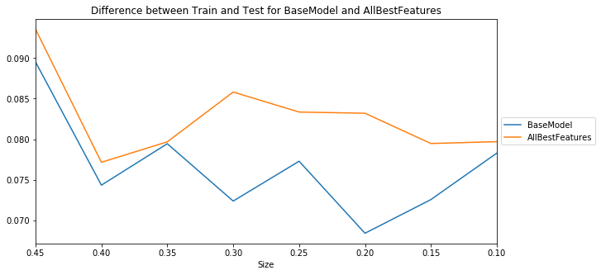
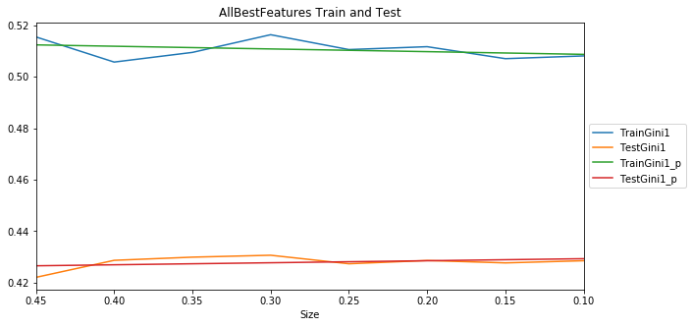
With scale_pos_weight
Model | S0.45 | S0.4 | S0.35 | S0.3 | S0.25 | S0.2 | S0.15 | S0.1 | Mean | t-pvalue | t-statistic | Group
BaseModel | 0.418712 | 0.42618 | 0.427734 | 0.427014 | 0.425411 | 0.427011 | 0.425911 | 0.426619 | 0.425574 | 1 | 0 | 1
external_make | 0.419116 | 0.425795 | 0.427458 | 0.426708 | 0.424537 | 0.426039 | 0.425981 | 0.423087 | 0.42484 | 0.604504 | 0.529871 | 1
external_model | 0.41744 | 0.426377 | 0.427626 | 0.427517 | 0.425769 | 0.426816 | 0.426095 | 0.425088 | 0.425341 | 0.882409 | 0.150639 | 1
external_engine | 0.421013 | 0.429414 | 0.430568 | 0.429678 | 0.42689 | 0.428853 | 0.428081 | 0.428467 | 0.42787 | 0.138662 | -1.570314 | 1
modelscore | 0.417948 | 0.425911 | 0.426788 | 0.425343 | 0.422698 | 0.426207 | 0.425578 | 0.425465 | 0.424492 | 0.465901 | 0.749608 | 1
external_length_in | 0.42263 | 0.430527 | 0.430778 | 0.429996 | 0.427817 | 0.429181 | 0.426952 | 0.426486 | 0.428046 | 0.098477 | -1.77009 | 1
external_width_in | 0.421569 | 0.428473 | 0.429446 | 0.429322 | 0.42785 | 0.42914 | 0.428309 | 0.429215 | 0.427916 | 0.110453 | -1.704061 | 1
external_height_in | 0.421455 | 0.428746 | 0.42917 | 0.42926 | 0.42611 | 0.425761 | 0.423456 | 0.424603 | 0.42607 | 0.7341 | -0.346527 | 1
VehicleDimensions | 0.422371 | 0.430214 | 0.429554 | 0.430255 | 0.427034 | 0.427769 | 0.425065 | 0.426182 | 0.427306 | 0.238224 | -1.232047 | 1
VehicleMakeModel | 0.418661 | 0.424818 | 0.427458 | 0.426454 | 0.425466 | 0.426357 | 0.42666 | 0.423501 | 0.424922 | 0.653118 | 0.459231 | 1
AllExternal | 0.421949 | 0.427001 | 0.42941 | 0.429688 | 0.426105 | 0.427762 | 0.425978 | 0.426468 | 0.426795 | 0.372531 | -0.921234 | 1
VehicleLengthWidth | 0.42271 | 0.429692 | 0.430644 | 0.43037 | 0.428545 | 0.429812 | 0.427763 | 0.42919 | 0.428591 | 0.043256 | -2.222249 | 2
AllBestFeatures | 0.42199 | 0.428616 | 0.42985 | 0.430595 | 0.427281 | 0.428549 | 0.427619 | 0.428463 | 0.42787 | 0.115992 | -1.675628 | 1
Adding both and only external_width and external_length improves the model better then adding external_engine in addition.
Overfitting slightly increased with more features

FinalModels Results
Model | S0.45 | S0.4 | S0.35 | S0.3 | S0.25 | S0.2 | S0.15 | S0.1 | Mean | t-pvalue | t-statistic | Group | Comment
BaseModel | 0.419641 | 0.427661 | 0.426943 | 0.428478 | 0.42618 | 0.426888 | 0.426494 | 0.426613 | 0.426112 | 1.00E+00 | 0 | 1 | No RelationshipToInsurer
FequencyEncd_Manufacturer | 0.420555 | 0.42673 | 0.429669 | 0.429189 | 0.425622 | 0.428869 | 0.429265 | 0.426237 | 0.427017 | 5.40E-01 | -0.628143 | 1
FequencyEncd_External_Make | 0.421977 | 0.427602 | 0.430788 | 0.430127 | 0.428183 | 0.430884 | 0.430924 | 0.42768 | 0.428521 | 1.15E-01 | -1.679668 | 1
ExternalFeatures_WidthAndLength | 0.422802 | 0.429093 | 0.430307 | 0.430264 | 0.428495 | 0.428953 | 0.427004 | 0.42857 | 0.428186 | 1.29E-01 | -1.614048 | 1
ShortModel | 0.415885 | 0.424307 | 0.424646 | 0.424924 | 0.424835 | 0.42649 | 0.426143 | 0.42455 | 0.423972 | 1.83E-01 | 1.401349 | 1 | No driverstatuscd and gendercd
ShortModel2 | 0.413596 | 0.420889 | 0.422222 | 0.422185 | 0.421555 | 0.424124 | 0.422001 | 0.422351 | 0.421115 | 4.45E-03 | 3.384209 | 3 | No driverstatuscd, gendercd and passiveseatbeltind
ShortModel3 | 0.411921 | 0.418865 | 0.420412 | 0.420779 | 0.419719 | 0.422462 | 0.420717 | 0.41928 | 0.419269 | 3.83E-04 | 4.639633 | 3
ShortModel3_noRating | 0.410544 | 0.417012 | 0.418194 | 0.41796 | 0.41639 | 0.420473 | 0.41835 | 0.418196 | 0.41714 | 1.74E-05 | 6.369127 | 3 | No driverstatuscd, gendercd, passiveseatbeltind,enginecylinders and rating
ShortModel_noRating | 0.414752 | 0.422562 | 0.423577 | 0.422436 | 0.419993 | 0.423114 | 0.423129 | 0.423151 | 0.421589 | 6.74E-03 | 3.175472 | 3 | No driverstatuscd, gendercd and rating
ShortModel2_noRating | 0.412487 | 0.419048 | 0.419732 | 0.419422 | 0.418149 | 0.421662 | 0.419254 | 0.420362 | 0.418764 | 9.50E-05 | 5.392021 | 3 | No driverstatuscd, gendercd, passiveseatbeltind and rating
ShortModel_ExternalFeatures_WidthAndLength | 0.41916 | 0.426923 | 0.426379 | 0.42613 | 0.42585 | 0.428363 | 0.42778 | 0.426752 | 0.425917 | 8.91E-01 | 0.140044 | 1
ShortModel2_ExternalFeatures_WidthAndLengt | 0.415802 | 0.423833 | 0.423932 | 0.424655 | 0.42259 | 0.425071 | 0.422676 | 0.422904 | 0.422683 | 2.91E-02 | 2.430892 | 3
ShortModel3_ExternalFeatures_WidthAndLength | 0.41501 | 0.422094 | 0.422682 | 0.423188 | 0.421969 | 0.424675 | 0.421359 | 0.422717 | 0.421712 | 7.18E-03 | 3.143645 | 3
ShortModel3_noRating_ExternalFeatures_WidthAndLengt | 0.413066 | 0.419428 | 0.421089 | 0.420063 | 0.418093 | 0.421308 | 0.418057 | 0.41892 | 0.418753 | 7.36E-05 | 5.534407 | 3
ShortModel_noRating_ExternalFeatures_WidthAndLengt | 0.417112 | 0.424431 | 0.424118 | 0.424349 | 0.422256 | 0.425343 | 0.424114 | 0.423785 | 0.423189 | 4.52E-02 | 2.199191 | 3
ShortModel2_noRating_ExternalFeatures_WidthAndLengt | 0.414741 | 0.422109 | 0.423133 | 0.422011 | 0.419659 | 0.423004 | 0.420279 | 0.420284 | 0.420653 | 1.27E-03 | 4.017211 | 3

First I investigated the impact of non-significant features (group 1 in Models Results tab) on the final model.

Removing RelationshipTo Insured impreved the model

Removing gendercd and driverstatuscd do not improve the model but the metric is still in the same group as the base model with or without RelationshipToInsured.

Then I tried to remove some features from group 2 in Models Results tab. Logically they should not impact the model, but they do! The metric is moved to group 3 eg significantly worse then the base model.
To test more influence of this features we need more data. It maybe improving due to a chance. On the other side, these features maybe describe a general car model used by different driver types, better the manufacturer or model.

Adding external features improves the result but not statistically significant. The metric is still in the same group.
The result is almost the same with frequency encoded Manufacturer or external_make and raw external_width and external_length

Conclusion: we can work with 21 features model as the minimum.
It's better to have car width and length in the model.

Models Results
 | The same significance | Worse
BaseModel | 0.426112
FequencyEncd_Manufacturer | 0.427017
FequencyEncd_External_Make | 0.428521
ExternalFeatures_WidthAndLength | 0.428186
ShortModel | 0.423972
ShortModel2 |  | 0.421115
ShortModel3 |  | 0.419269
ShortModel3_noRating |  | 0.41714
ShortModel_noRating |  | 0.421589
ShortModel2_noRating |  | 0.418764
ShortModel_ExternalFeatures_WidthAndLength | 0.425917
ShortModel2_ExternalFeatures_WidthAndLengt |  | 0.422683
ShortModel3_ExternalFeatures_WidthAndLength |  | 0.421712
ShortModel3_noRating_ExternalFeatures_WidthAndLengt |  | 0.418753
ShortModel_noRating_ExternalFeatures_WidthAndLengt |  | 0.423189
ShortModel2_noRating_ExternalFeatures_WidthAndLengt |  | 0.420653

Model | The same significance | Worse
BaseModel | 0.426112
FequencyEncd_Manufacturer | 0.427017
FequencyEncd_External_Make | 0.428521
ExternalFeatures_WidthAndLength | 0.428186
ShortModel | 0.423972
ShortModel2 |  | 0.421115
ShortModel3 |  | 0.419269
ShortModel3_noRating |  | 0.41714
ShortModel_noRating |  | 0.421589
ShortModel2_noRating |  | 0.418764
ShortModel_ExternalFeatures_WidthAndLength | 0.425917
ShortModel2_ExternalFeatures_WidthAndLengt |  | 0.422683
ShortModel3_ExternalFeatures_WidthAndLength |  | 0.421712
ShortModel3_noRating_ExternalFeatures_WidthAndLengt |  | 0.418753
ShortModel_noRating_ExternalFeatures_WidthAndLengt |  | 0.423189
ShortModel2_noRating_ExternalFeatures_WidthAndLengt |  | 0.420653

